Problem setting
SMR
Settings
 | CH4
 |  |  |  |  | KpReforming= exp [24.383-15405/t] |  | reforming
 |  |  |  | H2 & other gas | KpShift= exp [2299/t-2.79] | t em ºC | shift

 | H2O

 | H2O/CH4 | 3

 | Ptotal | 15 | bar
 | Treactor | 850 | ºC

Heat for water vapour
Water vapor energy??
mcpdeltaT+Heat vaporization+MCPDELTAT

TinH2O | 20 | ºC | 331.32102222 | kJ/kgH2O |  | cp | 33.448 | kJ/(kmol.K)
Tsat | 198.3 | ºC | 1947.3 | kJ/kgH2O |  | H2O | 18 | kg/kmol
Tout-in Reformer | 850 | ºC | 1421.3758028 | kJ/kgH2O |  | cp | 39.2585 | kJ/(kmol.K)
Total |  |  | 3699.996825 | kJ/kgH2O

 |  | energy needs: |  | 33.445254244 | MJ/kgH2

 |  | Heat transfer efficiency |  |  | 1 | 100%

CH4 LHV (MJ/kg) |  | 49.875 |  | 0.67058153873 | kgCH4/kgH2

 |  | Real consumption |  | 3.3488824752 | kgCH4/kgH2

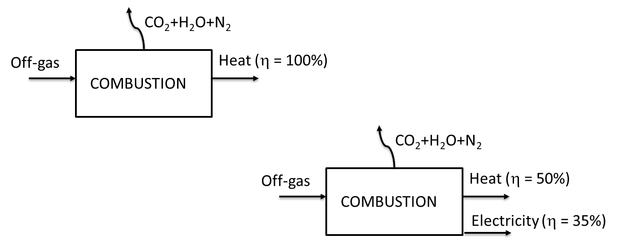

OFF-GAS LHV |  | 10.749876263 | MJ/kg |  | 57.122696865 | MJ/kgH2

OFF-GAS to heat |  |  | 57.122696865 | MJ/kgH2
OFF-GAS to heat & electricity |  |  | 28.561348433 | MJ/kgH2
 |  |  | 5.5535955286 | kWh/kgH2

